Sheet1
Mean | 18%
Std Devn | 25%
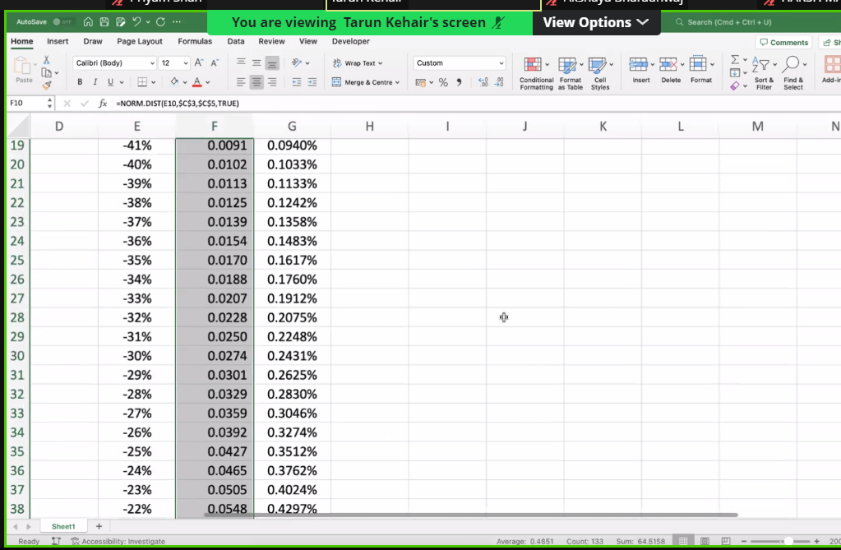

 |  | Rtns | Cumulative Probs | Indvdl Prob
 |  | -50% | 0.0032640958159
 |  | -49% | 0.0036811080092 | 0.00041701219328 | 0.043987746518
 |  | -48% | 0.004145301361 | 0.00046419335186 | 0.048926105405
 |  | -47% | 0.0046611880237 | 0.00051588666268 | 0.054331876935
 |  | -46% | 0.0052336081636 | 0.00057242013984 | 0.06023846531
 |  | -45% | 0.0058677417153 | 0.00063413355178 | 0.06668040335
 |  | -44% | 0.0065691191355 | 0.00070137742021 | 0.073693242587
 |  | -43% | 0.0073436309553 | 0.0007745118198 | 0.081313422953
 |  | -42% | 0.0081975359246 | 0.00085390496925 | 0.089578121179
 |  | -41% | 0.0091374675306 | 0.00093993160598 | 0.098525077226
 | Indvdl Prob
-50%
-49% | 0.00041701219328
-48% | 0.00046419335186
-47% | 0.00051588666268
-46% | 0.00057242013984
-45% | 0.00063413355178
-44% | 0.00070137742021
-43% | 0.0007745118198
-42% | 0.00085390496925
-41% | 0.00093993160598
-40% | 0.0010329711381
-39% | 0.0011334055698
-38% | 0.0012416171974
-37% | 0.0013579860776
-36% | 0.0014828872704
-35% | 0.0016166878637
-34% | 0.0017597437873
-33% | 0.0019123964311
-32% | 0.0020749690821
-31% | 0.0022477632
-30% | 0.0024310545556
-29% | 0.0026250892574
-28% | 0.002830079698
-27% | 0.0030462004538
-26% | 0.0032735841746
-25% | 0.0035123175038
-24% | 0.0037624370724
-23% | 0.0040239256104
-22% | 0.0042967082255
-21% | 0.0045806488952
-20% | 0.0048755472241
-19% | 0.0051811355144
-18% | 0.005497076201
-17% | 0.0058229596994
-16% | 0.0061583027133
-15% | 0.0065025470464
-14% | 0.006855058961
-13% | 0.0072151291201
-12% | 0.0075819731471
-11% | 0.0079547328296
-10% | 0.0083324779914
-9% | 0.008714209046
-8% | 0.0090988602422
-7% | 0.0094853036005
-6% | 0.0098723535354
-5% | 0.010258772148
-4% | 0.010643275162
-3% | 0.011024538484
-2% | 0.011401205323
-1% | 0.011771893854
...
 |  | -40% | 0.010170438669 | 0.0010329711381 | 0.10819239819
 |  | -39% | 0.011303844239 | 0.0011334055698 | 0.11861833939
 |  | -38% | 0.012545461436 | 0.0012416171974 | 0.12984106257
 |  | -37% | 0.013903447513 | 0.0013579860776 | 0.14189837138
 |  | -36% | 0.015386334784 | 0.0014828872704 | 0.15482742459
 |  | -35% | 0.017003022648 | 0.0016166878637 | 0.16866442785
 |  | -34% | 0.018762766435 | 0.0017597437873 | 0.18344430508
 |  | -33% | 0.020675162866 | 0.0019123964311 | 0.19920035094
 |  | -32% | 0.022750131948 | 0.0020749690821 | 0.21596386605
 |  | -31% | 0.024997895148 | 0.0022477632 | 0.23376377733
 |  | -30% | 0.027428949704 | 0.0024310545556 | 0.25262624574
 |  | -29% | 0.030054038961 | 0.0026250892574 | 0.2725742644
 |  | -28% | 0.032884118659 | 0.002830079698 | 0.29362725033
 |  | -27% | 0.035930319113 | 0.0030462004538 | 0.3158006332
 |  | -26% | 0.039203903287 | 0.0032735841746 | 0.33910544523
 |  | -25% | 0.042716220791 | 0.0035123175038 | 0.36354791607
 |  | -24% | 0.046478657864 | 0.0037624370724 | 0.38912907733
 |  | -23% | 0.050502583474 | 0.0040239256104 | 0.41584438132
 |  | -22% | 0.0547992917 | 0.0042967082255 | 0.44368333872
 |  | -21% | 0.059379940595 | 0.0045806488952 | 0.47262918024
 |  | -20% | 0.064255487819 | 0.0048755472241 | 0.50265854716 | VaR | WCL-ML | z= | wcl-m
 |  | -19% | 0.069436623333 | 0.0051811355144 | 0.5337412158 | VaR | z * std devn
 |  | -18% | 0.074933699534 | 0.005497076201 | 0.5658398609 |  |  | WCL = | z*sigma + M
 |  | -17% | 0.080756659234 | 0.0058229596994 | 0.59890986254
 |  | -16% | 0.086914961947 | 0.0061583027133 | 0.63289916148
 |  | -15% | 0.093417508993 | 0.0065025470464 | 0.66774816697
 |  | -14% | 0.10027256795 | 0.006855058961 | 0.70338972119
 |  | -13% | 0.10748769707 | 0.0072151291201 | 0.73974912385
 |  | -12% | 0.11506967022 | 0.0075819731471 | 0.77674421993
 |  | -11% | 0.12302440305 | 0.0079547328296 | 0.81428555316
 |  | -10% | 0.13135688104 | 0.0083324779914 | 0.8522765871
 |  | -9% | 0.14007109009 | 0.008714209046 | 0.89061399501
 |  | -8% | 0.14916995033 | 0.0090988602422 | 0.92918801897
 |  | -7% | 0.15865525393 | 0.0094853036005 | 0.96788289808
 |  | -6% | 0.16852760747 | 0.0098723535354 | 1.0065773644
 |  | -5% | 0.17878637961 | 0.010258772148 | 1.045145205
 |  | -4% | 0.18942965478 | 0.010643275162 | 1.0834558872
 |  | -3% | 0.20045419326 | 0.011024538484 | 1.1213752434
 |  | -2% | 0.21185539858 | 0.011401205323 | 1.158766211
 |  | -1% | 0.22362729244 | 0.011771893854 | 1.1954896231
 |  | 0% | 0.23576249778 | 0.012135205342 | 1.2314050419
 |  | 1% | 0.24825223045 | 0.012489732674 | 1.2663716308
 |  | 2% | 0.26108629969 | 0.012834069239 | 1.3002490563
 |  | 3% | 0.27425311775 | 0.013166818057 | 1.3328984116
 |  | 4% | 0.28773971885 | 0.013486601099 | 1.3641831545
 |  | 5% | 0.30153178755 | 0.013792068698 | 1.393970051
 |  | 6% | 0.31561369652 | 0.014081908969 | 1.422130114
 |  | 7% | 0.32996855366 | 0.014354857144 | 1.4485395297
 |  | 8% | 0.34457825839 | 0.014609704729 | 1.4730805612
 |  | 9% | 0.35942356678 | 0.014845308392 | 1.4956424215
 |  | 10% | 0.37448416528 | 0.015060598495 | 1.5161221046
 |  | 11% | 0.38973875244 | 0.015254587168 | 1.5344251686
 |  | 12% | 0.4051651283 | 0.015426375858 | 1.5504664605
 |  | 13% | 0.42074029056 | 0.015575162259 | 1.5641707759
 |  | 14% | 0.43644053711 | 0.015700246548 | 1.5754734463
 |  | 15% | 0.45224157398 | 0.015801036871 | 1.5843208472
 |  | 16% | 0.46811862799 | 0.015877054007 | 1.590670822
 |  | 17% | 0.48404656315 | 0.015927935161 | 1.5944930168
 |  | 18% | 0.5 | 0.015953436853 | 1.5957691216
 |  | 19% | 0.51595343685 | 0.015953436853 | 1.5944930168
 |  | 20% | 0.53188137201 | 0.015927935161 | 1.590670822
 |  | 21% | 0.54775842602 | 0.015877054007 | 1.5843208472
 |  | 22% | 0.56355946289 | 0.015801036871 | 1.5754734463
 |  | 23% | 0.57925970944 | 0.015700246548 | 1.5641707759
 |  | 24% | 0.5948348717 | 0.015575162259 | 1.5504664605
 |  | 25% | 0.61026124756 | 0.015426375858 | 1.5344251686
 |  | 26% | 0.62551583472 | 0.015254587168 | 1.5161221046
 |  | 27% | 0.64057643322 | 0.015060598495 | 1.4956424215
 |  | 28% | 0.65542174161 | 0.014845308392 | 1.4730805612
 |  | 29% | 0.67003144634 | 0.014609704729 | 1.4485395297
 |  | 30% | 0.68438630348 | 0.014354857144 | 1.422130114
 |  | 31% | 0.69846821245 | 0.014081908969 | 1.393970051
 |  | 32% | 0.71226028115 | 0.013792068698 | 1.3641831545
 |  | 33% | 0.72574688225 | 0.013486601099 | 1.3328984116
 |  | 34% | 0.73891370031 | 0.013166818057 | 1.3002490563
 |  | 35% | 0.75174776955 | 0.012834069239 | 1.2663716308
 |  | 36% | 0.76423750222 | 0.012489732674 | 1.2314050419
 |  | 37% | 0.77637270756 | 0.012135205342 | 1.1954896231
 |  | 38% | 0.78814460142 | 0.011771893854 | 1.158766211
 |  | 39% | 0.79954580674 | 0.011401205323 | 1.1213752434
 |  | 40% | 0.81057034522 | 0.011024538484 | 1.0834558872
 |  | 41% | 0.82121362039 | 0.010643275162 | 1.045145205
 |  | 42% | 0.83147239253 | 0.010258772148 | 1.0065773644
 |  | 43% | 0.84134474607 | 0.0098723535354 | 0.96788289808
 |  | 44% | 0.85083004967 | 0.0094853036005 | 0.92918801897
 |  | 45% | 0.85992890991 | 0.0090988602422 | 0.89061399501
 |  | 46% | 0.86864311896 | 0.008714209046 | 0.8522765871
 |  | 47% | 0.87697559695 | 0.0083324779914 | 0.81428555316
 |  | 48% | 0.88493032978 | 0.0079547328296 | 0.77674421993
 |  | 49% | 0.89251230293 | 0.0075819731471 | 0.73974912385
 |  | 50% | 0.89972743205 | 0.0072151291201 | 0.70338972119
 |  | 51% | 0.90658249101 | 0.006855058961 | 0.66774816697
 |  | 52% | 0.91308503805 | 0.0065025470464 | 0.63289916148
 |  | 53% | 0.91924334077 | 0.0061583027133 | 0.59890986254
 |  | 54% | 0.92506630047 | 0.0058229596994 | 0.5658398609
 |  | 55% | 0.93056337667 | 0.005497076201 | 0.5337412158
 |  | 56% | 0.93574451218 | 0.0051811355144 | 0.50265854716
 |  | 57% | 0.94062005941 | 0.0048755472241 | 0.47262918024
 |  | 58% | 0.9452007083 | 0.0045806488952 | 0.44368333872
 |  | 59% | 0.94949741653 | 0.0042967082255 | 0.41584438132
 |  | 60% | 0.95352134214 | 0.0040239256104 | 0.38912907733
 |  | 61% | 0.95728377921 | 0.0037624370724 | 0.36354791607
 |  | 62% | 0.96079609671 | 0.0035123175038 | 0.33910544523
 |  | 63% | 0.96406968089 | 0.0032735841746 | 0.3158006332
 |  | 64% | 0.96711588134 | 0.0030462004538 | 0.29362725033
 |  | 65% | 0.96994596104 | 0.002830079698 | 0.2725742644
 |  | 66% | 0.9725710503 | 0.0026250892574 | 0.25262624574
 |  | 67% | 0.97500210485 | 0.0024310545556 | 0.23376377733
 |  | 68% | 0.97724986805 | 0.0022477632 | 0.21596386605
 |  | 69% | 0.97932483713 | 0.0020749690821 | 0.19920035094
 |  | 70% | 0.98123723357 | 0.0019123964311 | 0.18344430508
 |  | 71% | 0.98299697735 | 0.0017597437873 | 0.16866442785
 |  | 72% | 0.98461366522 | 0.0016166878637 | 0.15482742459
 |  | 73% | 0.98609655249 | 0.0014828872704 | 0.14189837138
 |  | 74% | 0.98745453856 | 0.0013579860776 | 0.12984106257
 |  | 75% | 0.98869615576 | 0.0012416171974 | 0.11861833939
 |  | 76% | 0.98982956133 | 0.0011334055698 | 0.10819239819
 |  | 77% | 0.99086253247 | 0.0010329711381 | 0.098525077226
 |  | 78% | 0.99180246408 | 0.00093993160598 | 0.089578121179
 |  | 79% | 0.99265636904 | 0.00085390496925 | 0.081313422953
 |  | 80% | 0.99343088086 | 0.0007745118198 | 0.073693242587
 |  | 81% | 0.99413225828 | 0.00070137742021 | 0.06668040335
 |  | 82% | 0.99476639184 | 0.00063413355178 | 0.06023846531

Sheet3
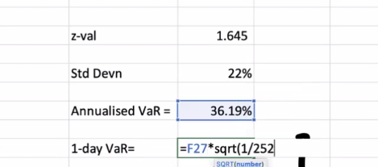
If the 95%, 1 day VAR for a 100Cr portfolio is 2cr what is the volatility for the portfolio

 | P | 95%
 | z | 1.644853627 | 10lakh | 1,000,000.00
 | Price | 1,000,000,000.00 | 1cr | 10,000,000.00
 | StdDevn | 19% | 10cr | 100,000,000.00
 |  |  | 100cr | 1,000,000,000.00
 | Annualised VaR | 0.31749015733
 | 1day VaR | 0.02

 | 1day VaR | 20,000,000.00

Sheet4
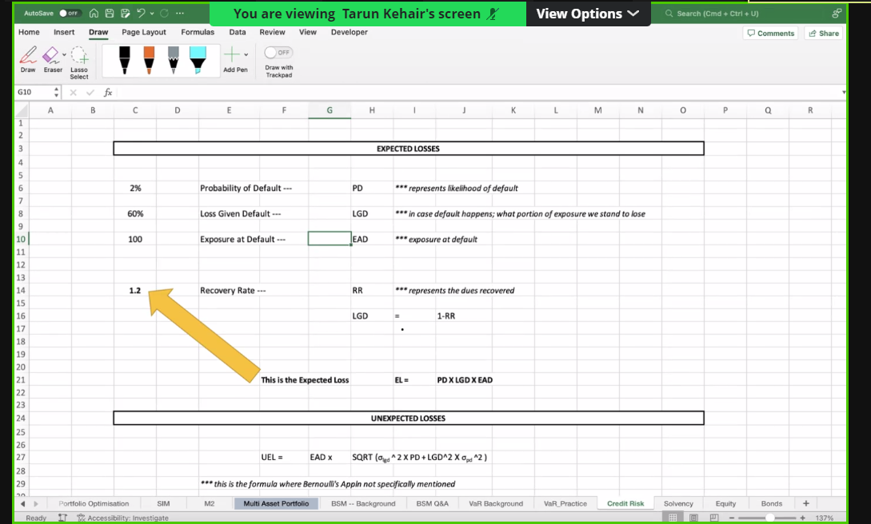
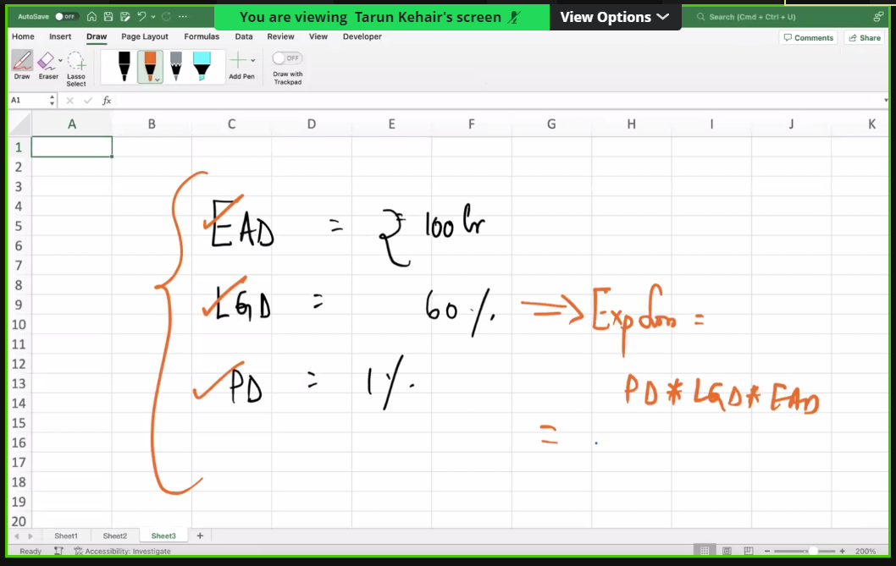

LGD | Loss Given Default

Sheet5
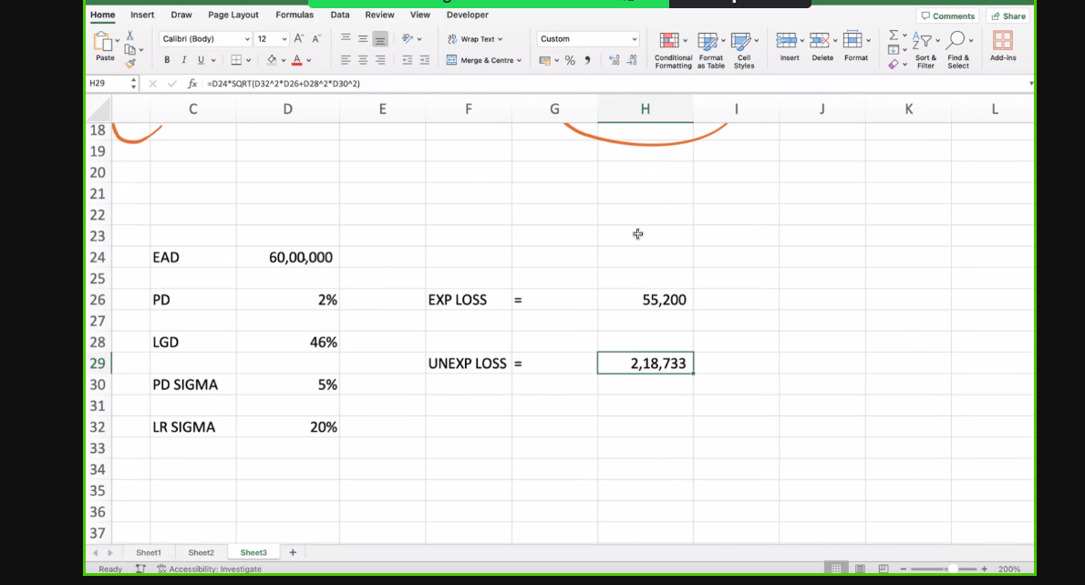

 |  |  |  | 1mil | 1,000,000.00

EAD | 6,000,000.00 | sigma PD | 5%
LGD | 46% | Sigma LR | 20%
Chances | 2%

EL | 55200

UEL | 218,732.71

